IR checklist
IR CHECKLIST

1. BASIC INFORMATION |  |  | COLOR DESCRIPTION (ITEM) | SCORE
Process | Samsung ln08lpu |  | Item | PASS | 0 |  | PASS | 0
Project name | Heron |  | For Project Manager or SOC (Block Top) | NG | 0 |  | NG | 0
Customer | Rockhip |  | For Logical Designer(RTL) | N.A | 0 |  | N.A | 0
Application |  |  | For Physical Designer(Layout - Physical Design) | Not yet | 54 |  | Not yet | 54
Product manager |  |  | For Physical Designer(Physical Implementation) | SCORE | 0% |  | SCORE | 0%
IP designer
QA manager
Integration review date
MTO Schedule
 |  |  |  | 100% | PASS |  | 50~79% | IR can be started
2. DESIGN CHECK SHEET |  |  |  | 80~99% | IR can be determined as marginal pass |  | Under 50% | IR can not be started
Recommendation : | when you fill the integration review checklist, please follow the guide in IP datasheet and userguide.
CATEGORY | ITEM | CHECK POINT | CHECK METHOD | PRODUCT (PROJECT) |  |  | IP
 |  |  |  | CHECK RESULT | NAME/DATE (YY.MM.DD) | NOTE | CHECK RESULT | NAME/DATE (YY.MM.DD) | NOTE
Fundamental information | Temperature & Reliability check condition | Is the chip operating temperature condition and life cycle checked? | Review and make comments - Chip operating environment (mobile, automotive, network) - Junction temperature condition - The reliability(EM) cycle(time) | Not yet |  |  | Not yet
IP Version check | IP DK Version | Check whether the version of the DB used is final (FE/BE/DOC) | Have you used the latest version of DK from Rasmschip? Enter the name of the used DK and released date in column J, 'Note' | Not yet |  |  | Not yet
Order form re-check | Order Form | Are specification consensus done with order form between customer and IP designer? | Please attach the final OrderForm doc. which are confirmed. | Not yet |  |  | Not yet
Function check | HTOL | In full-chip level HTOL(SCAN) test mode, have you checked that the IP's inputs are set as conditions guaranteed by the UserGuide? Have you verified that the IP operates without any problem by simulation | 1) Please share dump file path and file name 2) Please share the IP's hierarchical information 3) Please share used waveform view & version | Not yet |  |  | Not yet
 | Power up check | Is power-management sequence which is supplied to IP guaranteed in SoC? | Please share the figure of the power sequence or dump file. - If you share a dump file, please share file path / file name / IP's hierarchical information. - If there is no figure or dump file, please make comments about power sequence(e.g. ALWAYS ON, ALIVE, etc.). | Not yet |  |  | Not yet
 | Start up check | IP start-up sequence check | Have you checked that the clock input and control signals are applied according to the start-up sequence described in the Datasheet? | Not yet |  |  | Not yet
 | Power down check | Power down sequence check | Have you checked that the power sequence applied in the product follows the power sequence described in the Datasheet? | Not yet |  |  | Not yet
 | Function simulation | Input control sequence during the operation | Have you checked If there is the case that input control signals change while the IP is enabled and in normal operation? Is there any problem? Have you simulated the operation scenario with the verilog model in the real integration environment? | Not yet |  |  | Not yet
 | Function simulation | Are the verification results in product level shared with IP designer? (IP normal scenario; RTL simulation or post simulation results under the actual product scenario) Please check whether appropriate control and default value are applied through those Verilog simulations. | 1) Please share dump file path and file name 2) Please share the IP's hierarchical information 3) Please share used waveform view & version | Not yet |  |  | Not yet
 | Function simulation | Stand-by scenario during lock-time | If the IP is a clock IP which outputs the target frequency after a certain time, have you checked whether this is reflected to the system implementation where the system waits for the lock time/settling time as specified in the Datasheet? | Not yet |  |  | Not yet
 | Function simulation | Test mode verification | Have you checked that, in the test mode for evaluating the IP's characteristics, the maximum frequency output to I/O is within the specified maximum operating speed of I/O? Write the maximum frequency output in column J 'Note' | Not yet |  |  | Not yet
 | SFR Setting Check | Are SFR setting values applied as the guide which is provided by IP designer? | Please reviews it and attach confirmation email from IP designer | Not yet |  |  | Not yet
 | Function - ATE(Automatic Test Equipment) Vector Test | Are function test results reviewed? (All about IP's test mode) Please check whether appropriate control and default value are applied through those Verilog simulations. | 1) Please share dump file path and file name 2) Please share the IP's hierarchical information on fullchip 3) Please share used waveform view & version | Not yet |  |  | Not yet
 | Function simulation | Input controllability | Have you checked if there is any case where specific inputs of IP are connected to a ROM code or tie cell and cannot be easily modified by SW modification? If there is, write the list of IP's inputs connected to ROM code or signal in column J, 'Note' | Not yet |  |  | Not yet
 | Function simulation | Input controllability | Have you verified the cases when IP is connected to ROM/Tie cell by Verilog simulation and checked there is no problem? | Not yet |  |  | Not yet
 | Unused pin check | Are there any IP input/output pins that are not used? All IP inputs except the unused-pin list must be controllable. | Please share the list of unused pins. 1) Please specify about the pin-names that are not used or not controllable. 2) Please write the logical states of the unused pins. (e.g. tie to vdd with tie-cell, tie to gnd with logic block, floating) 3) If all pins are controllable, please write "All pins are used and controllable" with the name of the person in charge. | Not yet |  |  | Not yet
 | On-chip LDO Setting | LDO setting | In case IP power is received from another LDO IP, have you checked the following information so that stable voltage is supplied during IP operation? -. If LDO trim is needed, has the appropriate trim code value been applied to the LDO? -. If the LDO uses the chopping mode, is the chopping clock supplied according to the guide? | Not yet |  |  | Not yet
 | APB Interface | Check for interface frequency | The APB interface is designed for low bandwidth and low speed. Ensure that you have chosen proper APB frequency | Not yet |  |  | Not yet
 | APB _ Write Transfer | Check for write sequence | Has the write transfer been set up correctly? '-. i_apb_paddr, i_apb_pwrite, i_apb_psel and i_apb_pwdata signals are modified after the rising edge of the i_apb_pclk. -. After the following edge of the i_apb_pclk, i_apb_penable signal is asserted. -. i_apb_paddr, i_apb_pwdata and i_apb_psel signals are all remain valid throughout the access cycle and the transfer completes at the end of the cycle. -. i_apb_penable signal is deasserted at the end of the transfer. The i_apb_psel signal proceeds to low. -. To reduce power consumption, i_apb_paddr and i_apb_pwrite signal does not alter. | Not yet |  |  | Not yet
 | APB _ Read Transfer | Check for read sequence | Has the read transfer been set up correctly? -. i_apb_paddr, i_apb_pwrite and i_apb_psel signals are modified after the rising edge of the i_apb_pclk. -. After the following edge of the i_apb_pclk, i_apb_penable signal is asserted. -. The slave provides the o_apb_prdata during the access cycle. -. The data is sampled on the rising edge of i_apb_pclk at the end of the access cycle. | Not yet |  |  | Not yet
 | APB Address for internal Registers | Check for APB Upper Byte to SerDes Macro mapping | The bit[31:16], bit[1:0] of APB address must be tied to 0. | Not yet |  |  | Not yet
 | Timing Skew Check for Direct Access Port in Test Mode | Are timing skew for ports which access directly from GPIO checked for direct access (stand-alone) test? When in PHY Test mode, the APB interface is accessed immediately from the GPIO. At this time, check whether skew is considered for Multi bit. (For example, PADDR (16bit), RDATA, PWDATA (16bit), PSEL, PENALBE, PWRITE) If there is a difference in skew, eventually the ATE must turn on the timing to skew. In fact, it is difficult to consider skew in the ATE. In the Post STA result, the skew report is received separately. | Please attach the report of the time delay from GPIO to target ports of IP (This is for checking timing skew between ports for ATE) Use skew report from post STA, about IN/OUT multi-bit. Please, refer IP user guide to check target pins and timing requirements. | Not yet |  |  | Not yet
 | STA(Static Timing Analysis) | Are STA results between IP and product reviewed? 1) Review the unconstraint path with the IP designer (The important timing path must be constraint path) 2) Check the timing report (setup / hold timing reports) | 1) Please share STA Report: Refer to Datasheet & Userguide to check IP's pin name of interest with respect to STA (e.g. FIN, FOUT) 2) Plase share the unconstraint path list | Not yet |  |  | Not yet
 | Transmitter input Timing | Check input timing | Read "1.5.1 Transmitter Input Timing" from the Userguide. The most Tx input signals are timed from rising edge of i_tx_data_clk. It is recommended that the ASIC(or SOC) uses the o_hs_clk to clock the parallel Tx data shipped to PMA. In other words, the i_tx_data_clk should be derived from o_hs_clk clock. And o_hs_clk is generated clock of int_o_hs_clk which is internal clock pin. For rs_usbdp100x4_ln08lpu , internal clock signal is i_ana_lcpll_usb_lane_tx_clk. DP Tx data input signals are timed from rising edge of o_dp_txclk . output clock o_dp_txclk is generated clock of int_o_dp_txclk which is internal clock pin. For rs_usbdp100x4_ln08lpu , DP internal clock signal is i_ana_ropll_usb_lane_tx_clk. | Not yet |  |  | Not yet
 | Receiver Output Timing | Check output timing | Read "1.5.2 Receiver Input Timing" from the Userguide. The Rx output signals are synchronous to o_rx_clk which is derived from int_o_rx_clk0 or int_o_rx_clk2 by USB rx lane section configuration. int_o_rx_clk0 or int_o_rx_clk2 is internal clock pin for describing output delay from internal clock for synthesis and static timing analysis. For the rs_usbdp100x4_ln08lpu , internal clock signal is i_ln0_ana_rxclk and i_ln2_ana_rxclk. | Not yet |  |  | Not yet
 | Network Jitter | Are the clock network jitters from full chip shared and reviewed with IP designers? | Please attach the result of the network jitter simulation(PJX) from the clock source on SOC to the IP's input clock pin (e.g. ref_clk_in, FIN, etc.). | Not yet |  |  | Not yet
 | Network Jitter | Reference clock jitter | Jitter in the reference clock should be tightly controlled to ensure very high-speed clock operation and its jitter characteristics. Jitter performance of rs_usbdp100x4_ln08lpu is dependent on a low-jitter reference clock source. If you use an internal clock-tree for the clock signal distribution in full-chip level, the additional jitter from this clock- tree network should be minimized (e.g. Period jitter should be very small at the worst case simulation condition from our Design Technology team.) Otherwise, the jitter performance can be degraded due to low quality input reference clock. For details refer to Table3-4 in datasheet | Not yet |  |  | Not yet
 | Network Jitter | Low jitter path management | When the output of PLL is injected to the input of other mixed signal IPs like PHY or ADC, which need low jitter performance, have you checked that clock path between the PLL output and the receiving IP is minimized and path distance is routed as the shortest as possible? | Not yet |  |  | Not yet
 | Network Jitter | RJ/DJ simulation | When the output of PLL is injected to the input of other mixed signal IPs like PHY or ADC, which need low jitter performance. You should execute RJ/DJ simulation for low jitter clock path. Write RJ and DJ results in column J,"Note". Ramdon jitter (RJ) : Max 2ps rms Determinstic jitter (DJ): 44ps p-p Total jitter (14*RJ + DJ): 72ps p-p | Not yet |  |  | Not yet
Floor plan | Product floor plan | Is the floorplan shared with IP designer in advance? | Please share product floorplan that shows the location of all IPs | Not yet |  |  | Not yet
 | PAD | I/O pad type | Have you checked that appropriate type of I/O are used? Write the name of the used I/O in column J, 'Note' | Not yet |  |  | Not yet
 | PAD | Isolation of I/O pad | Is the Power I/O for the IP properly separated from noise interference around using slot cells? Have you reviewed over any ESD issues with ESD team? Write the name of the ESD reviewer in column J, 'Note'. | Not yet |  |  | Not yet
 | PAD | Noise around I/O pad | Have you checked that there is no noisy sources (i.e. Tx Driver/Signal I/O) placed around the IP's Power I/O? | Not yet |  |  | Not yet
 | IP Placement | Is minimum distance between IP and the other glue logic to ensure no DRC violation secured? What is the distance between IP and noisy or high power consuming IPs (e.g. DDRPHY)? | Is the IP placed properly based on "1.3 Layout guide from userguide? -. rs_usbdp100x4_ln08lpu should be placed in the center of one-side to minimize package R/L/C parasitic -. rs_usbdp100x4_ln08lpu cannot be placed in the center, there should be enough space (e.g. > 1000um) from the chip edge. -. rs_usbdp100x4_ln08lpu is also recommended to be far away from noisy switching logic. The distance to other IP and logic blocks is recommended as 20µm and 40µm, respectively. -. If there are noisy blocks such as DDR PHY, then place this IP at the other side of the die (e.g. the opposite side). The noisy switching IO signals from the DDR PHY may cause unwanted noise coupling in the die and/or package/board level. To prevent unwanted notice, ensure that you place the noisy block at the opposite side in the die. -. For the process monitoring block placement, at least one block should be located near the PHY. We recommend you to place the process monitoring block within 100um from the PHY and closer to the IO region of the PHY (e.g. < 400 um from chip edge). This block can be located with the minimum space rule of 5um from our PHY (e.g. 50 ~ 300 um space -> 5 um space) because this block is not working in the normal mode. Please specify the distance or attach a captured image | Not yet |  |  | Not yet
Integration check | Bumpmap | Is bumpmap of each IP shared and reviewed by IP designer? | Please share bumpmap file or figure. If there is no Bump, please write N/A. | Not yet |  |  | Not yet
 | I/O ring check | Is RTO/SNS/VSS ring connected without breaking in IP's LEF and GDS? Are the defined as ports in IP's LEF and GDS? | Please check and specify the RTO/SNS/VSS's ring and ports in case of IP including GPIOs | Not yet |  |  | Not yet
 | Breakcell check | Are the breakcells on I/O ring on top level connected properly according to guide? | If breakcells are used, please specify the cell name | Not yet |  |  | Not yet
 | Linker cell check | Is linker cell used beside I/O ring of IP? | If linker cells are used, please specify the cell name | Not yet |  |  | Not yet
 | Back to back diode ( Anti-parallel diode ) | Are all the ground pins connected to the logic ground in IP connected by metal according to pin width? (e.g. VSS_CDM port which is back-to-back diode output on IP connected to the ground of the product by proper metal and width) | Please share the layout captured image of the connected by each metal layer. 1) SOC logic ground should be connected with ground of IP as metal width of pin(port) on IP. 2) Must be connected with bar-via. These are very important items to guarantee ESD specifications like HBM, CDM, and latch-up. | Not yet |  |  | Not yet
 | Important signal shielding | Are important input/output signals of IP shielded in full chip level? | Please share the screen captured image or GDS: specify the important input/output signals. And please share the shielding information of signal lines. 1) Clock shielding ratio: (shielded line length/total line length)*100 2) Metal name & length | Not yet |  |  | Not yet
 | Verification rule check | Are there any DRC, EAC or PERC errors of IP in chip level? If there are, are these checked and waived by IP designer? | Please review it and attach the waive-list. If there is no error regarding IP, please write comment "There is no error regarding IP". | Not yet |  |  | Not yet
 | IO Connection Check | Check the minimum routing resistance and skew, if the IP does not include IO. (ex: LVDS, USB, DCPHY) | 1) Please attach the layout capture for routing between the core and I/Os. 2) Please attach the layout capture for differential signal routings. | Not yet |  |  | Not yet
 | Top layout review | Is the final version of top layout of the full chip shared? Is it reviewed by the IP designer whether there is no issue in physical integration on IP level inputs, outputs, IOs, power supplies, ground to full chip level connections, IP space? | . - Please share the PPT about figures of IP's integration with details. | Not yet |  |  | Not yet
 | ESD | Back-to-back diode connection | 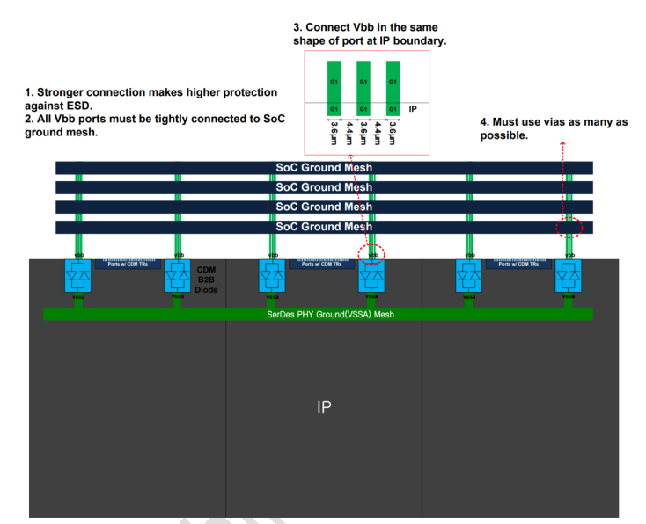 In order to prevent CDM damage between rs_usbdp100x4_ln08lpu and SoC power supplies, back-to-back diodes are inserted in the PHY. The "vbb" ports on rs_usbdp100x4_ln08lpu should be strongly connected to SoC grounds as illustrated in Figure 1-7. Thicker metal layers like Kx or Gx with enough number of vias are highly recommended for the "vbb" routing. | Not yet |  |  | Not yet
 | RDL | RDL routing crosstalk | Have you made sure that no "signal RDL" of other block(s) pass over the IP? Rule of thumb is that nothing is allowed to go over the IP except the power bump of the IP itself or the power RDL of the IP itself. | Not yet |  |  | Not yet
 | PDN | PDN analysis - execution/review | Have you reviewed the power noise of the IP and the reviewed the PDN results? | Not yet |  |  | Not yet
 | PDN | Check the level of voltage ripple | Have you checked that the voltage ripple specification for each IP allowed as a the result of PDN analysis are satisfied? -. High power supply voltage for the PHY Core : under 30mVpp -. Low power supply volatage for the PHY Core: under 20mVpp | Not yet |  |  | Not yet
 | PDN | Check whether PDN analysis results are considered in integration | Have you added sufficient on-chip De-cap between IP's power and ground based on PDN analysis result? Write the size[F] of inserted de-cap in column M, 'Note'. If the voltage ripple specification from PDN analysis could be met without additional de-cap insertion, please write 0[F]. | Not yet |  |  | Not yet
 | Power & Ground routing | Prevention power supply noise | 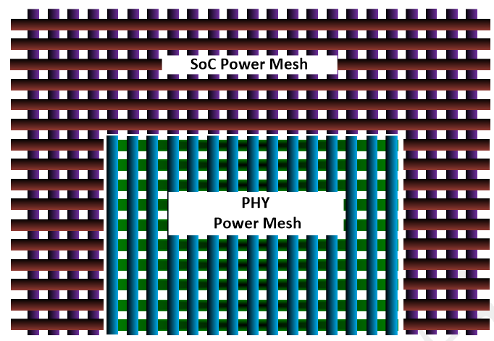 Has the power & ground routing been designed according to the userguide 1.3.3 power and ground routing? -. In order to prevent power supply noise which induces jitter on the TX and RX waveforms, rs_usbdp100x4_ln08lpu's power and ground should be isolated from those of the SoC as illustrated in Figure 1-6 | Not yet |  |  | Not yet
 | Power routing | Power routing connection - width/metal | Have you connected the power/ground routings by using the same metal layer/width as defined at the IP port? Or did you connect them with wider metal/more metal stack (which is also an allowed case)? | Not yet |  |  | Not yet
 | ESD | ESD check | Have you connected the CDM/Clamp/IO according to the guidelines described in the Userguide "1.3.4 ESD Protection", and got confirmed by ESD team after reviewing the final version? Or is there any tool (PERC/DRC/Pathfinder etc.) verification result? Write the name of the ESD reviewer in column J, 'Note'. | Not yet |  |  | Not yet
 | ATB (Analog Test Bus) | ATB Connection | Read "1.3.6 ATB Connection" from the Userguide. The port atb can be treated in three ways. • No connection when it is not used • Connection to I/O cell and bump but no PKG ball assign • Connection to I/O cell, bump and PKG ball The port atb must be floated in the case of non-connection. if the ATB port is not connected, has it been as floating? | Not yet |  |  | Not yet
 | Shielding | Shielding of major signals | Read 1.3.7 Shielding Guide" from the Userguide. Have you checked that "two reference clock pins i_ref_xtal, i_ref_soc_pll and i_ref_soc_pll_ssc must be shielded by adjacent metals to prevent noise coupling" | Not yet |  |  | Not yet
 | Inptu & Output Clock Connection | Check input & outpunt clock declaration | Have you properly routed the input/output clock signals? | Not yet |  |  | Not yet
Verification check | Device List check | Check if all devices in IP are available in the product. | Please check device list with this method in below. - In IP BE-Common, LVS report(lvsprt_ca.lvs) file includes IP device list. Product designer should check if all of the devices are available in the product. If there is an issue, please contact IP designer. - Product designer share the device list of product, then IP designer would check it. | Not yet |  |  | Not yet
Off-Chip | Package Ground Plane Merge | Is the ground of the IP merged with ground plane of SOC in package level? | Please review the ground ball name in ball map and where the merging point is and attach the confirm material | Not yet |  |  | Not yet
 | Package Sign-Off | Is the package sign-off confirmed by DT(Design technology) and package team? | Please review and attach the results | Not yet |  |  | Not yet
 | Ballmap | Are ballmaps for IP reviewed with IP designer? If there is an fixed signal order of connector, are signal balls correctly placed? | Please attach ball-maps and review confirmation emails from IP designer. If that IP use connector, please fill in signal order of connector | Not yet |  |  | Not yet

